CFR E26
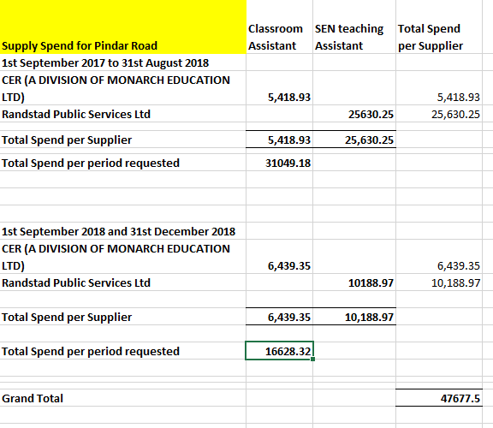
Agency and supply teaching staff costs for maintained schools, alternative provision and LA special nursery

 | Institution | Type of School | Sept 2017 to Aug 2018 | Sept 2018 to Dec 2018
 |  |  | £ | £
DFE | Cost Centre(T) |  | Amount | Amount
2337 | Abbey Primary Community School | Primary | 40,425.08 | 15,955.32
3435 | Avenue Primary School | Primary | 18,283.58 | 3,332.01
2320 | Barley Croft Primary | Primary | 257,487.69 | 27,085.69
3201 | Belgrave St Peter´s Church of England Primary | Primary | 0.00 | 0.00
2363 | Beaumont Lodge Primary | Primary | 26,286.31 | 5,612.58
2287 | Braunstone Frith Infant | Primary | 130,191.77 | 28,899.82
2306 | Buswells Lodge Primary | Primary | 42,620.29 | 28,473.93
2000 | Caldecote Community Primary | Primary | 90,224.44 | 27,845.41
2213 | Catherine Infant | Primary | 61,620.00 | 2,444.00
2214 | Catherine Junior | Primary | 78,729.36 | 25,796.78
3420 | Christ the King Catholic Primary | Primary | 0.00 | 0.00
2371 | Coleman Primary | Primary | 115,520.24 | 34,423.75
2387 | Dovelands Primary | Primary | 8,622.76 | 5,293.97
2222 | Evington Valley Primary | Primary | 97,372.44 | 33,691.12
2344 | Eyres Monsell Primary | Primary | 140,362.02 | 54,026.81
2297 | Folville Junior | Primary | 34,500.00 | 5,580.00
2366 | Forest Lodge Primary | Primary | 41,539.82 | 0.00
2365 | Fosse Primary | Primary | 29,395.21 | 8,778.50
2228 | Granby Primary | Primary | 37,822.23 | 1,749.57
2229 | Green Lane Infant | Primary | 8,557.65 | 950.00
2379 | Glebelands Primary | Primary | 26,731.74 | 539.90
2381 | Kestrels Field Primary | Primary | 8,512.90 | 0.00
2346 | Hazel Community Primary | Primary | 66,375.02 | 3,498.71
2377 | Herrick Primary | Primary | 19,894.48 | 15,600.94
2370 | Sparkenhoe Primary | Primary | 69,270.29 | 56,209.88
2071 | Highfields Primary | Primary | 3,436.78 | 0.00
3425 | Holy Cross Catholic Primary | Primary | 63,446.21 | 1,279.00
2238 | Imperial Avenue Infant School | Primary | 5,599.08 | 3,200.00
2239 | Inglehurst Infants | Primary | 69,887.39 | 27,154.71
2240 | Inglehurst Junior | Primary | 38,733.80 | 7,641.25
2241 | King Richard Infant | Primary | 18,114.75 | 30,462.50
2343 | Linden Primary | Primary | 77,511.52 | 46,964.58
2352 | Marriott Primary | Primary | 46,864.84 | 3,803.00
2250 | Mayflower Primary | Primary | 37,829.60 | 20,567.83
2386 | Medway Community Primary | Primary | 57,012.29 | 15,776.55
2348 | Mellor Community Primary | Primary | 28,513.00 | 4,874.00
2264 | Merrydale Infant | Primary | 167.80 | 7,652.00
2283 | Montrose Primary | Primary | 42,123.00 | 15,369.00
2364 | Parks Primary | Primary | 11,936.24 | 400.00
2262 | Overdale Infants | Primary | 20,110.63 | 0.00
2263 | Overdale Junior | Primary | 1,882.90 | 0.00
2231 | Rushey Mead Primary | Primary | 183,000.40 | 70,918.69
2388 | Rolleston Primary | Primary | 54,064.78 | 17,600.89
2317 | Sandfield Close Primary | Primary | 89,079.12 | 15,758.60
2361 | Scraptoft Valley Primary | Primary | 34,171.44 | 5,203.71
2268 | Shaftesbury Junior | Primary | 11,195.00 | 5,900.00
2303 | Shenton Primary | Primary | 54,154.23 | 27,710.27
2378 | Slater Primary | Primary | 59,046.06 | 12,835.39
2359 | Spinney Hill Primary | Primary | 96,211.89 | 21,921.14
3208 | St Barnabas Primary | Primary | 59,981.94 | 17,819.34
3431 | St Johns Primary | Primary | 7,343.71 | 4,317.00
2267 | St Marys Fields Primary | Primary | 40,110.81 | 4,372.00
3423 | St Patricks RC Primary | Primary | 1,555.00 | 284.00
2304 | Stokes Wood Primary | Primary | 70,697.99 | 24,253.35
2339 | Taylor Road Primary | Primary | 111,132.25 | 217,454.16
2299 | Uplands Infants | Primary | 9,227.60 | 1,652.40
2356 | Whitehall Primary | Primary | 55,766.45 | 9,407.20
2305 | Wolsey House Primary | Primary | 204,782.74 | 65,251.69
2282 | Wyvern Primary | Primary | 48,705.84 | 14,715.83
 | Primary Sub total |  | 3,163,742.40 | 1,108,308.77
7217 | Oaklands | Special | 82,900.85 | 21,729.42
7218 | Ellesmere College | Special | 543,015.92 | 112,046.84
7220 | Keyham Lodge | Special | 27,550.49 | 4,401.75
7213 | Netherhall School | Special | 0.00 | 0.00
5951 | Children´s Hospital School | Special | 7,106.29 | 0.00
7215 | Millgate | Special | 33,432.81 | 8,176.30
7221 | West Gate School | Special | 370,261.07 | 92,382.55
 | Special Sub total |  | 1,064,267.43 | 238,736.86
4242 | Beaumont Leys School | Secondary | 82,014.69 | 6,394.42
4273 | The City of Leicester College | Secondary | 173,113.85 | 21,580.10
4205 | Crown Hills Community College | Secondary | 58,950.58 | 20,193.11
4721 | English Martyrs Catholic School | Secondary | 46,526.80 | 1,388.00
4249 | Hamilton Community College | Secondary | 24,824.56 | 0.00
4251 | Judgemeadow Community College | Secondary | 95,995.33 | 0.00
4724 | Madani High School | Secondary | 40,284.03 | 2,771.32
4267 | Moat Community College | Secondary | 204,683.75 | 6,091.06
4274 | Fullhurst Community College | Secondary | 120,052.93 | 25,281.00
4005 | New College Leicester | Secondary | 121,495.00 | 5,380.00
4232 | Sir Jonathan North Community College | Secondary | 53,164.33 | 14,820.22
4250 | Soar Valley Community College | Secondary | 163,850.98 | 52,848.44
4723 | St Pauls Catholic School | Secondary | 35,070.36 | 0.00
4000 | Madani High School for Boys | Secondary | 14,641.39 | 559.85
 | Secondary Sub total |  | 1,234,668.58 | 157,307.52

1100 | Leicester City Primary PRU | Alternative Provision | 105,002.75 | 35,798.98 | See Note 1 below
1103 | Leicester Partnership School | Alternative Provision | 139,919.71 | 83,420.82 | See Note 2 below
 | Pindar Nursery | Special nursery | 31,049.18 | 16628.32 | See Note 3 below

Please note that we only have total agency spend by school. Spend by supplier and by staff type will need to be obtained by approaching individual schools

We have provided below the agency spend by supplier and type of staff for the in-house alternative provision and special nursery, as below:

See Note 1
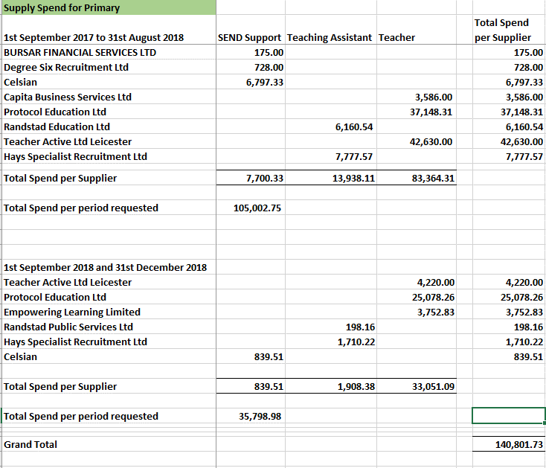

See Note 2
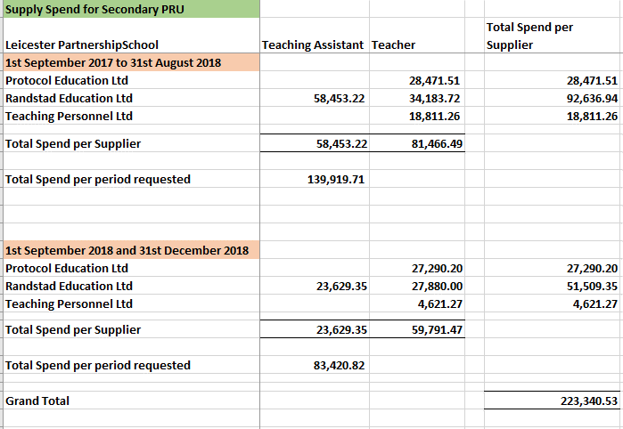

See Note 3

