Cover
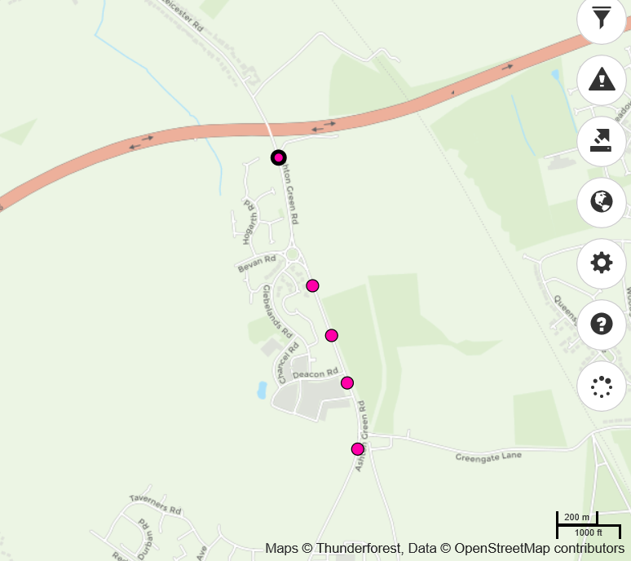

 |  | Volume | 85th %ile | Ave Speed
8028904 | Northbound | 2262 | 40.4 | 35.1
 | Southbound | 2427 | 42.7 | 37
 | Combined | 4689 | 41.7 | 36.1
8028903 | Northbound | 2782 | 34.5 | 30.4
 | Southbound | 2784 | 36 | 30.5
 | Combined | 5566 | 35.2 | 30.4
8028902 | Northbound | 2527 | 23.4 | 18.5
 | Southbound | 2673 | 24.6 | 19.3
 | Combined | 5200 | 24 | 19
8028901 | Northbound | 3143 | 20.9 | 16.9
 | Southbound | 3106 | 20.3 | 16.8
 | Combined | 6249 | 20.6 | 16.9
8028905 | Northbound | 4319 | 34 | 29.2
 | Southbound | 4437 | 32 | 26.6
 | Combined | 8756 | 32 | 26.6

